Scenarios
Flow temperature | Result row | Labour | Radiators | Total | Watts | Percent capacity | COP | Electric kWh | Electric cost | Saving | Additional install cost | Payback | %
65 | 7 | £0 | £0 | £0 | 12344 | 158% | 3.01 | 5793 | £1,390 | £0 | £0 |  | 0%
50 | 32 | £475 | £575 | £1,050 | 9256 | 118% | 3.92 | 4448 | £1,068 | £323 | £1,050 | 3 | 23%
48 | 57 | £475 | £770 | £1,245 | 8998 | 115% | 4.03 | 4327 | £1,038 | £352 | £1,245 | 4 | 25%
46 | 82 | £665 | £970 | £1,635 | 8700 | 111% | 4.14 | 4212 | £1,011 | £380 | £1,635 | 4 | 27%
44 | 107 | £760 | £1,297 | £2,057 | 8393 | 107% | 4.25 | 4103 | £985 | £406 | £2,057 | 5 | 29%
42 | 132 | £855 | £1,681 | £2,536 | 8248 | 105% | 4.36 | 3999 | £960 | £431 | £2,536 | 6 | 31%
40 | 157 | £950 | £2,256 | £3,206 | 8090 | 103% | 4.47 | 3901 | £936 | £454 | £3,206 | 7 | 33%
38 | 182 | £950 | £2,772 | £3,722 | 7632 | 98% | 4.58 | 3807 | £914 | £477 | £3,722 | 8 | 34%
36 | 207 | £1,045 | £3,630 | £4,675 | 7296 | 93% | 4.69 | 3718 | £892 | £498 | £4,675 | 9 | 36%

Flow Temperature v. Payback

Examples
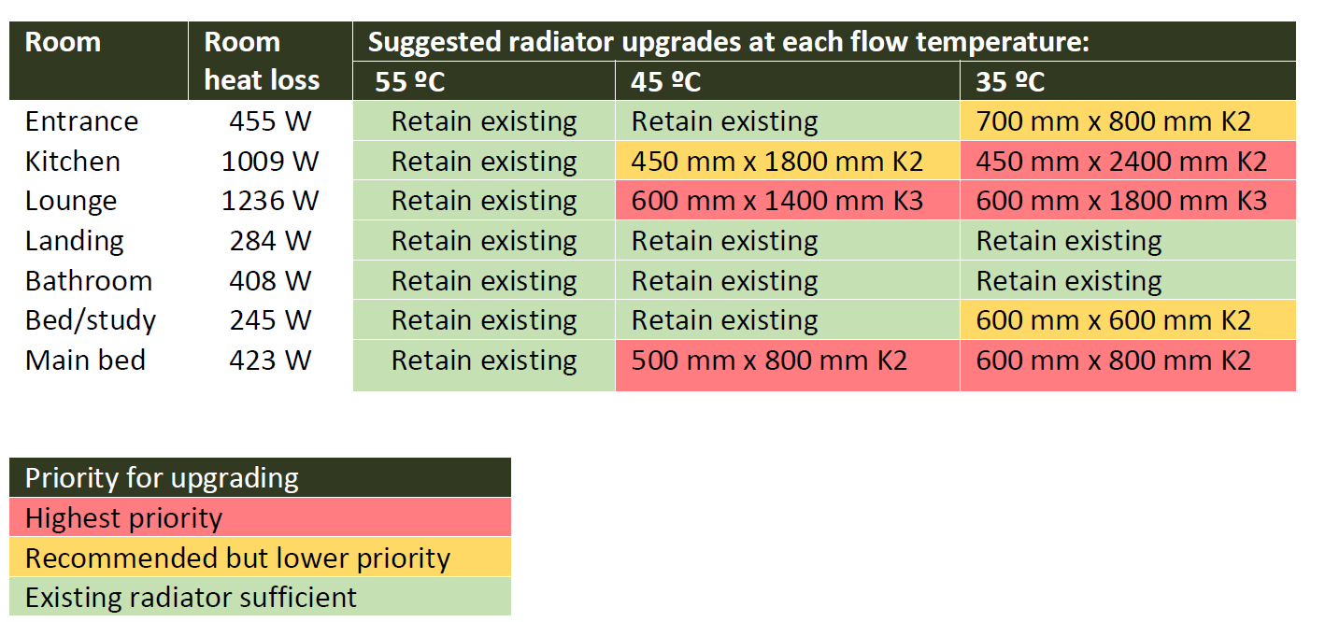

150
7.96875

